图片抓取
图片地址
Ok | Ok
https://gd4.alicdn.com/imgextra/i1/3001726480/O1CN01vkqpqS1xjt2o0KPRP_!!3001726480.jpg_400x400.jpg
//gd4.alicdn.com/imgextra/i1/3001726480/O1CN01vkqpqS1xjt2o0KPRP_!!3001726480.jpg_50x50.jpg
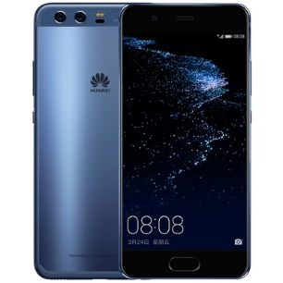
https://gd4.alicdn.com/imgextra/i1/3001726480/O1CN01vkqpqS1xjt2o0KPRP_!!3001726480.jpg_400x400.jpg
//gd4.alicdn.com/imgextra/i1/3001726480/O1CN01vkqpqS1xjt2o0KPRP_!!3001726480.jpg_50x50.jpg
//gd2.alicdn.com/imgextra/i2/3001726480/O1CN01D19s5H1xjt2ynzJqJ_!!3001726480.jpg_50x50.jpg
//gd2.alicdn.com/imgextra/i2/3001726480/O1CN01Zz6L7t1xjt2xNZ780_!!3001726480.jpg_50x50.jpg
//gd2.alicdn.com/imgextra/i2/3001726480/O1CN01TzpaWu1xjt2xNY2bg_!!3001726480.jpg_50x50.jpg
//gd4.alicdn.com/imgextra/i4/3001726480/O1CN01E85F941xjt2uoIYgZ_!!3001726480.jpg_50x50.jpg |  | Ok
https://img.alicdn.com/imgextra/i3/3001726480/O1CN01bxVzMA1xjt2xNgAF9_!!3001726480.jpg
https://img.alicdn.com/imgextra/i1/3001726480/O1CN01bxfC3g1xjt2yJ9Wqu_!!3001726480.gif
https://img.alicdn.com/imgextra/i2/3001726480/O1CN01hFwn1G1xjt2xNfMMi_!!3001726480.jpg
https://img.alicdn.com/imgextra/i1/3001726480/O1CN01UtpSrD1xjt2wMY5Au_!!3001726480.jpg
https://img.alicdn.com/imgextra/i4/3001726480/O1CN01Gq3Iwr1xjt2tpdsp2_!!3001726480.jpg
https://img.alicdn.com/imgextra/i4/3001726480/O1CN018yCFzu1xjt2uoPLEp_!!3001726480.jpg
https://img.alicdn.com/imgextra/i3/3001726480/O1CN01va9tlk1xjt2tpcTam_!!3001726480.jpg
https://img.alicdn.com/imgextra/i2/3001726480/O1CN01dwu1au1xjt2wMYQ34_!!3001726480.jpg
https://img.alicdn.com/imgextra/i3/3001726480/O1CN01ec3BAx1xjt2vXJTmL_!!3001726480.jpg
https://img.alicdn.com/imgextra/i1/3001726480/O1CN01ShZxqJ1xjt2wMaQkp_!!3001726480.jpg
https://img.alicdn.com/imgextra/i3/3001726480/O1CN01bxTP3k1xjt2o0UHMm_!!3001726480.jpg
https://img.alicdn.com/imgextra/i4/3001726480/O1CN012ghGfp1xjt2yo8BNh_!!3001726480.jpg
https://img.alicdn.com/imgextra/i2/3001726480/O1CN01fFQFzR1xjt2tpeHsR_!!3001726480.jpg
https://img.alicdn.com/imgextra/i4/3001726480/O1CN014Yd5Fj1xjt2vQvN1U_!!3001726480.jpg
https://img.alicdn.com/imgextra/i1/3001726480/O1CN01uOPFA81xjt2uoR1H5_!!3001726480.jpg
https://gd4.alicdn.com/imgextra/i1/3001726480/O1CN01vkqpqS1xjt2o0KPRP_!!3001726480.jpg
https://gd4.alicdn.com/imgextra/i1/3001726480/O1CN01vkqpqS1xjt2o0KPRP_!!3001726480.jpg_400x400.jpg
https://gd4.alicdn.com/imgextra/i1/3001726480/O1CN01vkqpqS1xjt2o0KPRP_!!3001726480.jpg

按元素id抓取网页内容
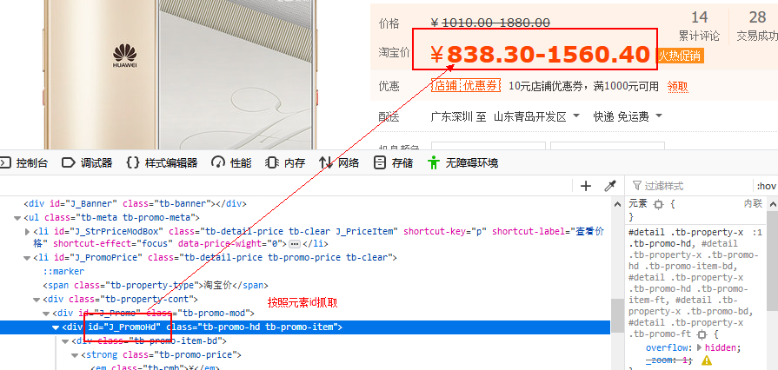
¥838.30-1560.40火热促销

按元素class抓取网页内容
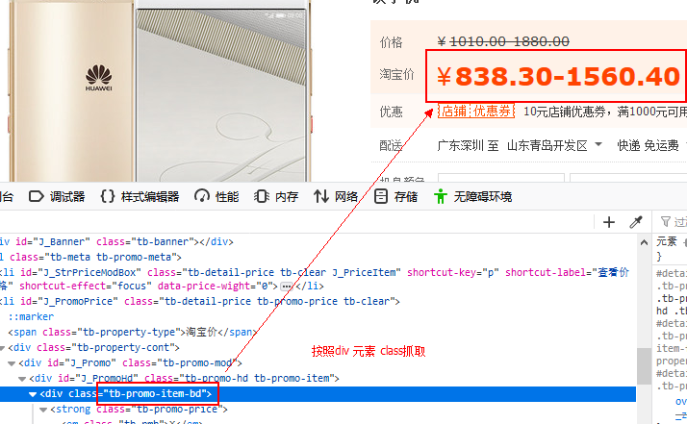
¥838.30-1560.40火热促销

